Suggested Skills Matrix
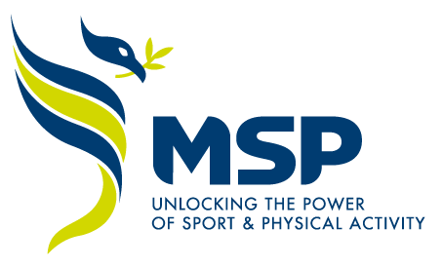

 |  | MSP Board Skills Matrix

The primary aim of this skills matrix is to identify the existing specific skills and expertise within the Board and to highlight any gaps or potential areas of development, within the current structure. Board members are asked to self-assess their skills, knowledge and experience against the differing fields on a scale of 1-5. 1 indicating limited skills, knowledge or expertise through to 5 where an individual identifies that they are have a level of expertise or understanding in that respective area. Through collectively identifying skills, knowledge and expertise we will be able to identify how best we continue to maximise these to drive MSP forward. Equally, where gaps are highlighted these will be shared with the Board to identify how they can best be addressed.

MSP Board Member Applicant Details
Key Information | Name

Skills in Sector | Community Sport
 | Elite or Performance Sport
 | Education
 | Local Business and Enterprise
 | Transport and Planning
 | Adult and Social Care
 | Social Housing
 | Local Government
 | Youth Services
 | Voluntary and Faith Sector
 | Health - Integrated Care System

Key Skills & experiences | Strategy Development
 | Culture Development
 | Equality, Diversity and Inclusion
 | Digital, Marketing and Campaign Development
 | Monitoring, Evaluation and Learning
 | LCR Political Leverage
 | Networking
 | Grant Funding
 | Commercial Funding
 | Social Value
 | Risk Management

Specific Competencies Expertise | Financial
 | Legal
 | Tier 3 Governance
 | Safeguarding
 | Human Resources
 | ICT

Local Representation | Halton
 | Knowsley
 | Liverpool
 | Sefton
 | St Helens
 | Wirral

Diversity | Gender
 | Ethnicity
 | LGBTQ+
 | Disability
 | Other Protected Characteristics

